Messages
Poll Message |  |  | Response Message
Byte | Data | Explain | Byte | Data | Explain
0 | 0x41 | Frame control | 0 | 0x41
1 | 0x88 | Frame control | 1 | 0x88
2 | 0 | Sequence number, incremented for each new frame | 2 | 0 | Sequence number, incremented for each new frame
3 | 0xCA | PAN ID | 3 | 0xCA | PAN ID
4 | 0xDE | PAN ID | 4 | 0xDE | PAN ID
5 | W' (0x57) | Destination address | 5 | V' (0x56) | Destination address
6 | A' (0x41) | Destination address | 6 | E' (0x45) | Destination address
7 | V' (0x56) | Source address | 7 | W' (0x57) | Source address
8 | E' (0x45) | Source address | 8 | A' (0x41) | Source address
9 | 0xE0 | Function code | 9 | 0xE1 | Function code
10 | 0 | Checksum | 10 | 0 | Poll message reception timestamp
11 | 0 | Checksum | 11 | 0 | Poll message reception timestamp
 |  |  | 12 | 0 | Poll message reception timestamp
 |  |  | 13 | 0 | Poll message reception timestamp
 |  |  | 14 | 0 | Response message transmission timestamp
 |  |  | 15 | 0 | Response message transmission timestamp
 |  |  | 16 | 0 | Response message transmission timestamp
 |  |  | 17 | 0 | Response message transmission timestamp
 |  |  | 18 | 0 | Checksum
 |  |  | 19 | 0 | Checksum

Note
* 4. Source and destination addresses are hard coded constants in this example to keep it simple but for a real product every device should have a
* unique ID. Here, 16-bit addressing is used to keep the messages as short as possible but, in an actual application, this should be done only
* after an exchange of specific messages used to define those short addresses for each device participating to the ranging exchange.

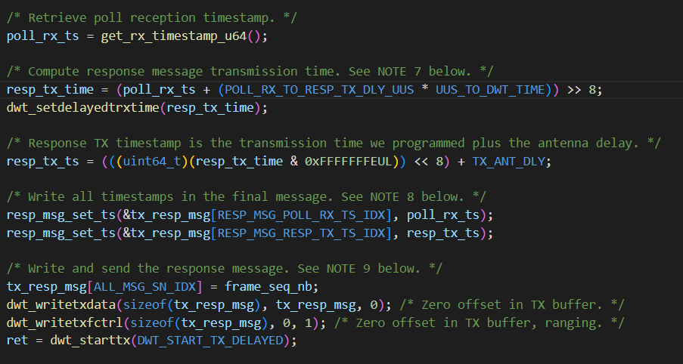
How Receiver Timestamp computes |  |  |  |  |  | Notes
 |  |  |  |  |  | * 7. As we want to send final TX timestamp in the final message, we have to compute it in advance instead of relying on the reading of DW IC
 |  |  |  |  |  | * register. Timestamps and delayed transmission time are both expressed in device time units so we just have to add the desired response delay to
 |  |  |  |  |  | * response RX timestamp to get final transmission time. The delayed transmission time resolution is 512 device time units which means that the
 |  |  |  |  |  | * lower 9 bits of the obtained value must be zeroed. This also allows to encode the 40-bit value in a 32-bit words by shifting the all-zero lower
 |  |  |  |  |  | * 8 bits.
 |  |  |  |  |  | * 8. In this operation, the high order byte of each 40-bit timestamps is discarded. This is acceptable as those time-stamps are not separated by
 |  |  |  |  |  | * more than 2**32 device time units (which is around 67 ms) which means that the calculation of the round-trip delays (needed in the
 |  |  |  |  |  | * time-of-flight computation) can be handled by a 32-bit subtraction.
 |  |  |  |  |  | * 9. dwt_writetxdata() takes the full size of the message as a parameter but only copies (size - 2) bytes as the check-sum at the end of the frame is
 |  |  |  |  |  | * automatically appended by the DW IC. This means that our variable could be two bytes shorter without losing any data (but the sizeof would not
 |  |  |  |  |  | * work anymore then as we would still have to indicate the full length of the frame to dwt_writetxdata()).
 |  |  |  |  |  | * 10. When running this example on the DW3000 platform with the POLL_RX_TO_RESP_TX_DLY response delay provided, the dwt_starttx() is always
 |  |  |  |  |  | * successful. However, in cases where the delay is too short (or something else interrupts the code flow), then the dwt_starttx() might be issued
 |  |  |  |  |  | * too late for the configured start time. The code below provides an example of how to handle this condition: In this case it abandons the
 |  |  |  |  |  | * ranging exchange and simply goes back to awaiting another poll message. If this error handling code was not here, a late dwt_starttx() would
 |  |  |  |  |  | * result in the code flow getting stuck waiting subsequent RX event that will will never come. The companion "initiator" example (ex_06a) should
 |  |  |  |  |  | * timeout from awaiting the "response" and proceed to send another poll in due course to initiate another ranging exchange.

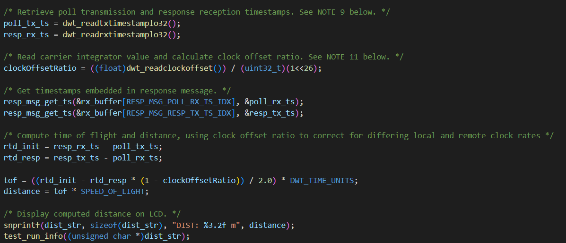
How Initiator computes distance |  |  |  |  |  |  | Notes:
 |  |  |  |  |  |  | * 9. The high order byte of each 40-bit time-stamps is discarded here. This is acceptable as, on each device, those time-stamps are not separated by
 |  |  |  |  |  |  | * more than 2**32 device time units (which is around 67 ms) which means that the calculation of the round-trip delays can be handled by a 32-bit
 |  |  |  |  |  |  | * subtraction.
 |  |  |  |  |  |  | * 11. The use of the clock offset value to correct the TOF calculation, significantly improves the result of the SS-TWR where the remote
 |  |  |  |  |  |  | * responder unit's clock is a number of PPM offset from the local initiator unit's clock.
 |  |  |  |  |  |  | * As stated in NOTE 2 a fixed offset in range will be seen unless the antenna delay is calibrated and set correctly.

 |  |  |  |  |  |  | DWT_TIME_UNITS:
 |  |  |  |  |  |  | (1.0/499.2e6/128.0) //!< = 15.65e-12 s
 |  |  |  |  |  |  | 1.5650040064E-11

